Apprentice Rates
Apr-26 |  | 2026/27 |  |  |  | Apr-25 |  | 2025/26 |  |  |  |  |  | Apr-24 |  | 2024-2025
Apprentice Rates |  |  | Hourly Rate | Annual (FTE) |  | Apprentice Rates |  |  | Hourly Rate | Annual (FTE) |  |  |  | Apprentice Rates |  | Hourly Rate | Annual (FTE)
 | Tier 1 | App Year 1 | £8.00 | £15,434 |  |  | Tier 1 | App Year 1 | £7.55 | £14,566 |  | 17.97% | Tracks HMRC | Tier 1 | App Year 1 | 6.40 | 12,343 | 5.8% uplift | In line with NJC2 Increase | Suggestion 8.50
 | Tier 2 | App Year 1 | £10.85 | £20,933 |  |  | Tier 2 | App Year 1 | £10.00 | £19,293 |  | 22.85% |  | Tier 2 | App Year 1 | 8.14 | 15,709 | 5.8% uplift | In line with NJC2 Increase | 9.5
 | Tier 3 | Any age | £12.85 | £- | Tracks NJC 3 |  | Tier 3 | Any age | £- | £- | Tracks NJC 2 |  | Tracks NJC 2 (all Apprentices after their 1st year as a minimum must be here) | Tier 3 | Any age | 12.65 | 23,656 | Tracks NJC 2 |  | Tracks NJC 2 (all Apprentices after their 1st year as a minimum must be here)
 | Tier 4 | Any age | £12.85 | £- | Tracks NJC 3 |  | Tier 4 | Any age | £- | £- | Tracks NJC 2 |  |  | Tier 4 | Any age | 12.65 | 23,656 | Tracks NJC 2 |  | Tracks NJC 2
 | Tier 5 | Any age | £12.85 | £- | Tracks NJC 3 |  | Tier 5 | Any age | £- | £- | Tracks NJC 2 |  |  | Tier 5 | Any age | 12.65 | 23,656 | Tracks NJC 2 |  | Tracks NJC 2
 | Tier 6 | Any age | £13.26 | £25,583 | Tracks NJC 5 |  | Tier 6 | Any age | £13.26 | £25,583 | Tracks NJC 5 |  |  | Tier 6 | Any age | 12.42 | 24,027 | Tracks NJC 5 |  | Tracks NJC 3
Apprentice Rates built to include opportunity for 6 monthly review in the first year. |  |  |  |  |  | Apprentice Rates built to include opportunity for 6 monthly review in the first year. |  |  |  |  |  |  |  | 6 monthly appraisals and opportunity to move up Payscales each 6 months upto 2 years.

Tracks NJC 2 (all Apprentices after their 1st year as a minimum must be here) App 3

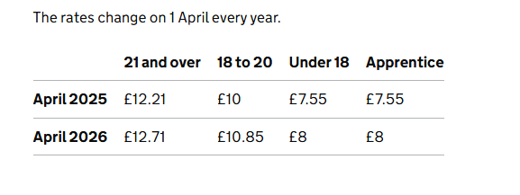

NASUWT
2025/26 | NASUWT PAY SCALES 1 SEP 2025 to 31 August 2026 |  | 2024-2025 | NASUWT PAY SCALES 1 SEP 2024 TO 31 AUG 2025 |  |  | 23/24 | NASUWT PAY SCALES 1 SEP 2023 TO 31 AUG 2024 | 22/23 |  |  | Back pay calcs |  |  |  | Back pay calcs
Main1 | £32,916 | CLASSROOM TEACHERS | Main1 | £31,650 | CLASSROOM TEACHERS | Main1 | £30,000 | CLASSROOM TEACHERS | £28,000 | £2,000 | 7.14 | MP1 | MP2 | MP1MP2 | £579 | MP1 | MP2 | MP1MP2 | £477
Main2 | £34,823 |  | Main2 | £33,483 |  | Main2 | £31,737 |  | £29,800 | £1,937 | 6.50 | MP2 | MP3 | MP2MP3 | £692 | MP2 | MP3 | MP2MP3 | £570
Main3 | £37,101 |  | Main3 | £35,674 |  | Main3 | £33,814 |  | £31,750 | £2,064 | 6.50 | MP3 | MP4 | MP3MP4 | £746 | MP3 | MP4 | MP3MP4 | £614
Main4 | £39,556 |  | Main4 | £38,034 |  | Main4 | £36,051 |  | £33,850 | £2,201 | 6.50 | MP4 | MP5 | MP4MP5 | £760 | MP4 | MP5 | MP4MP5 | £625
Main5 | £42,057 |  | Main5 | £40,439 |  | Main5 | £38,330 |  | £35,990 | £2,340 | 6.50 | MP5 | MP6 | MP5MP6 | £1,001 | MP5 | MP6 | MP5MP6 | £824
Main6 | £45,352 |  | Main6 | £43,607 |  | Main6 | £41,333 |  | £38,810 | £2,523 | 6.50 | MP6 | UP1 | MP6UP1 | £644 | MP6 | UP1 | MP6UP1 | £530
UPS1 | £47,472 | UPPER PAY RANGE | UPS1 | £45,646 | UPPER PAY RANGE | UPS1 | £43,266 | UPPER PAY RANGE | £40,625 | £2,641 | 6.50 | UP1 | UP2 | UP1UP2 | £535 | UP1 | UP2 | UP1UP2 | £440
UPS2 | £49,232 |  | UPS2 | £47,338 |  | UPS2 | £44,870 |  | £42,131 | £2,739 | 6.50 | UP2 | UP3 | UP2UP3 | £552 | UP2 | UP3 | UP2UP3 | £454
UPS3 | £51,048 |  | UPS3 | £49,084 |  | UPS3 | £46,525 |  | £43,685 | £2,840 | 6.50 | UP3 |  | UP3 | -£8,642 | UP3 |  | UP3 | -£7,112
UQF1 | £22,601 | UNQUALIFIED TEACHERS | UQF1 | £21,731 | UNQUALIFIED TEACHERS | UQF1 | £20,598 | UNQUALIFIED TEACHERS | £19,340 | £1,258 | 6.50 | UQ1 | UQ2 | UQ1UQ2 |  | UQ1 | UQ2 | UQ1UQ2 | £648
UQF2 | £25,193 |  | UQF2 | £24,224 |  | UQF2 | £22,961 |  | £21,559 | £1,402 | 6.50 | UQ2 | UQ3 | UQ2UQ3 | £787.33 | UQ2 | UQ3 | UQ2UQ3 | £648
UQF3 | £27,785 |  | UQF3 | £26,716 |  | UQF3 | £25,323 |  | £23,777 | £1,546 | 6.50 | UQ3 | UQ4 | UQ3UQ4 | £694.33 | UQ3 | UQ4 | UQ3UQ4 | £572
UQF4 | £30,071 |  | UQF4 | £28,914 |  | UQF4 | £27,406 |  | £25,733 | £1,673 | 6.50 | UQ4 | UQ5 | UQ4UQ5 | £788.67 | UQ4 | UQ5 | UQ4UQ5 | £649
UQF5 | £32,667 |  | UQF5 | £31,410 |  | UQF5 | £29,772 |  | £27,954 | £1,818 | 6.50 |  |  |  |  |  |  |  | £648
UQF6 | £35,259 |  | UQF6 | £33,902 |  | UQF6 | £32,134 |  | £30,172 | £1,962 | 6.50 |  |  |  |  |  |  |  | £4,129
L1 | £51,773 | Leadership Scales | L1 | £49,781 | Leadership Scales | L1 | £47,185 | Leadership Scales | £44,305 | £2,880 | 6.50 | LS01 | LS02 | LS01LS02 | £394 | LS01 | LS02 | LS01LS02 | £324
L2 | £53,069 |  | L2 | £51,027 |  | L2 | £48,366 |  | £45,414 | £2,952 | 6.50 | LS02 | LS03 | LS02LS03 | £403 | LS02 | LS03 | LS02LS03 | £331
L3 | £54,394 |  | L3 | £52,301 |  | L3 | £49,574 |  | £46,548 | £3,026 | 6.50 | LS03 | LS04 | LS03LS04 | £411 | LS03 | LS04 | LS03LS04 | £338
L4 | £55,747 |  | L4 | £53,602 |  | L4 | £50,807 |  | £47,706 | £3,101 | 6.50 | LS04 | LS05 | LS04LS05 | £422 | LS04 | LS05 | LS04LS05 | £348
L5 | £57,137 |  | L5 | £54,939 |  | L5 | £52,074 |  | £48,895 | £3,179 | 6.50 | LS05 | LS06 | LS05LS06 | £435 | LS05 | LS06 | LS05LS06 | £358
L6 | £58,569 |  | L6 | £56,316 |  | L6 | £53,380 |  | £50,122 | £3,258 | 6.50 | LS06 | LS07 | LS06LS07 | £479 | LS06 | LS07 | LS06LS07 | £394
L7 | £60,145 |  | L7 | £57,831 |  | L7 | £54,816 |  | £51,470 | £3,346 | 6.50 | LS07 | LS08 | LS07LS08 | £422 | LS07 | LS08 | LS07LS08 | £347
L8 | £61,534 |  | L8 | £59,167 |  | L8 | £56,082 |  | £52,659 | £3,423 | 6.50 | LS08 | LS09 | LS08LS09 | £467 | LS08 | LS09 | LS08LS09 | £384
L9 | £63,070 |  | L9 | £60,644 |  | L9 | £57,482 |  | £53,973 | £3,509 | 6.50 | LS09 | LS10 | LS09LS10 | £492 | LS09 | LS10 | LS09LS10 | £405
L10 | £64,691 |  | L10 | £62,202 |  | L10 | £58,959 |  | £55,360 | £3,599 | 6.50 | LS10 | LS11 | LS10LS11 | £510 | LS10 | LS11 | LS10LS11 | £419
L11 | £66,368 |  | L11 | £63,815 |  | L11 | £60,488 |  | £56,796 | £3,692 | 6.50 | LS11 | LS12 | LS11LS12 | £465 | LS11 | LS12 | LS11LS12 | £383
L12 | £67,898 |  | L12 | £65,286 |  | L12 | £61,882 |  | £58,105 | £3,777 | 6.50 | LS12 | LS13 | LS12LS13 | £516 | LS12 | LS13 | LS12LS13 | £425
L13 | £69,596 |  | L13 | £66,919 |  | L13 | £63,430 |  | £59,558 | £3,872 | 6.50 | LS13 | LS14 | LS13LS14 | £527 | LS13 | LS14 | LS13LS14 | £434
L14 | £71,330 |  | L14 | £68,586 |  | L14 | £65,010 |  | £61,042 | £3,968 | 6.50 | LS14 | LS15 | LS14LS15 | £539 | LS14 | LS15 | LS14LS15 | £444
L15 | £73,105 |  | L15 | £70,293 |  | L15 | £66,628 |  | £62,561 | £4,067 | 6.50 | LS15 | LS16 | LS15LS16 | £591 | LS15 | LS16 | LS15LS16 | £486
L16 | £75,049 |  | L16 | £72,162 |  | L16 | £68,400 |  | £64,225 | £4,175 | 6.50 | LS16 | LS17 | LS16LS17 | £523 | LS16 | LS17 | LS16LS17 | £431
L17 | £76,772 |  | L17 | £73,819 |  | L17 | £69,970 |  | £65,699 | £4,271 | 6.50 | LS17 | LS18 | LS17LS18 | £586 | LS17 | LS18 | LS17LS18 | £483
L18 | £78,702 |  | L18 | £75,675 |  | L18 | £71,729 |  | £67,351 | £4,378 | 6.50 | LS18 | LS19 | LS18LS19 | £593 | LS18 | LS19 | LS18LS19 | £488
L19 | £80,655 |  | L19 | £77,552 |  | L19 | £73,509 |  | £69,022 | £4,487 | 6.50 | LS19 | LS20 | LS19LS20 | £607 | LS19 | LS20 | LS19LS20 | £500
...
2025/26 | NASUWT PAY SCALES 1 SEP 2025 to 31 August 2026 |  | 2024-2025 | NASUWT PAY SCALES 1 SEP 2024 TO 31 AUG 2025 |  |  | 23/24 | NASUWT PAY SCALES 1 SEP 2023 TO 31 AUG 2024 | 22/23
LP9 | £63,381 |  | LP9 | £60,943 |  | LP9 | £57,765
LP10 | £65,010 |  | LP10 | £62,509 |  | LP10 | £59,250
LP11 | £66,695 |  | LP11 | £64,129 |  | LP11 | £60,785
LP12 | £68,223 |  | LP12 | £65,608 |  | LP12 | £62,187
LP13 | £69,937 |  | LP13 | £67,247 |  | LP13 | £63,741
LP14 | £71,682 |  | LP14 | £68,925 |  | LP14 | £65,331
LP15 | £73,465 |  | LP15 | £70,639 |  | LP15 | £66,956
LP16 | £75,419 |  | LP16 | £72,518 |  | LP16 | £68,737
LP17 | £77,150 |  | LP17 | £74,182 |  | LP17 | £70,314
LP18 | £79,092 |  | LP18 | £76,050 |  | LP18 | £72,085
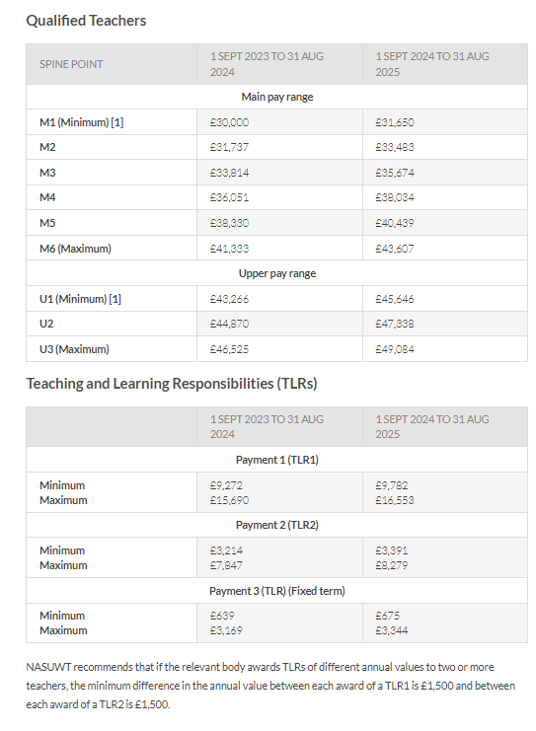

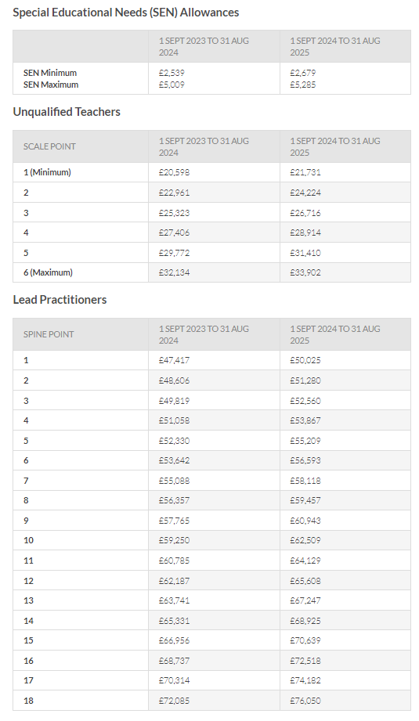

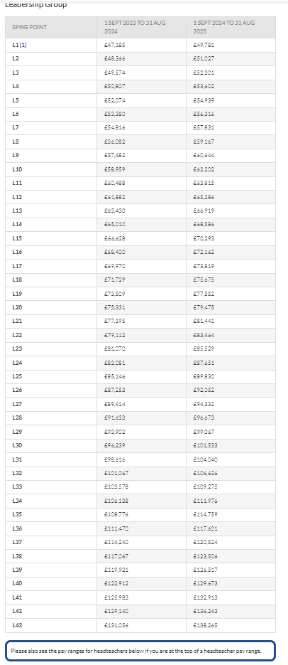

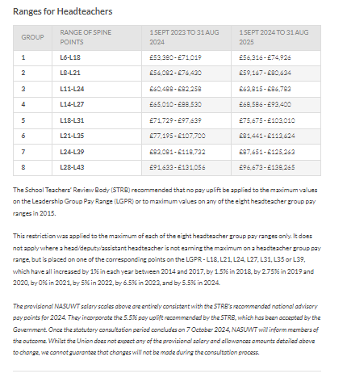

TLR's
...
Paid Monthly |  | TLR1A | 9,782 | TLR1A | 9,272 | TLR1A | 8,706 | -16.9%
Paid Monthly | 694 | TLR3B | 1,342 | TLR3B | 1,272 | TLR3B | 1,199 | -16.4%
Paid Monthly | 694 | TLR3C | 2,010 | TLR3C | 1,904 | TLR3C | 1,799 | -16.2%
Paid Monthly | 694 | TLR3D | 2,677 | TLR3D | 2,537 | TLR3D | 2,398 | -16.1%
Paid Monthly | 694 | TLR3E | 3,344 | TLR3E | 3,169 | TLR3E | 2,975 | -16.9%
Paid Monthly |  | FirstAid | 275 | FirstAid | 200 | FirstAid | 96 | -186.5%
Paid Monthly |  | SEN 1 | 2679 | SEN 1 | 2539 | SEN 1 | 2,270 | -22.8%
Paid Monthly |  | SEN 2 | 3982 | SEN 2 | 3774 | SEN 2 | 3,375 | -22.7%
Paid Monthly |  | SEN 3 | 5285 | SEN 3 | 5009 | SEN 3 | 4,479 | -22.7%
Paid Monthly |  | SEN (Support Staff) | 1,525 | SEN (Support Staff) | 1,488 | SEN (Support Staff) | 1,403 | -8.6%
Monthly or Fixed Term |  |  |  |  |  | Retention incentive | 1,000 | 0.0%
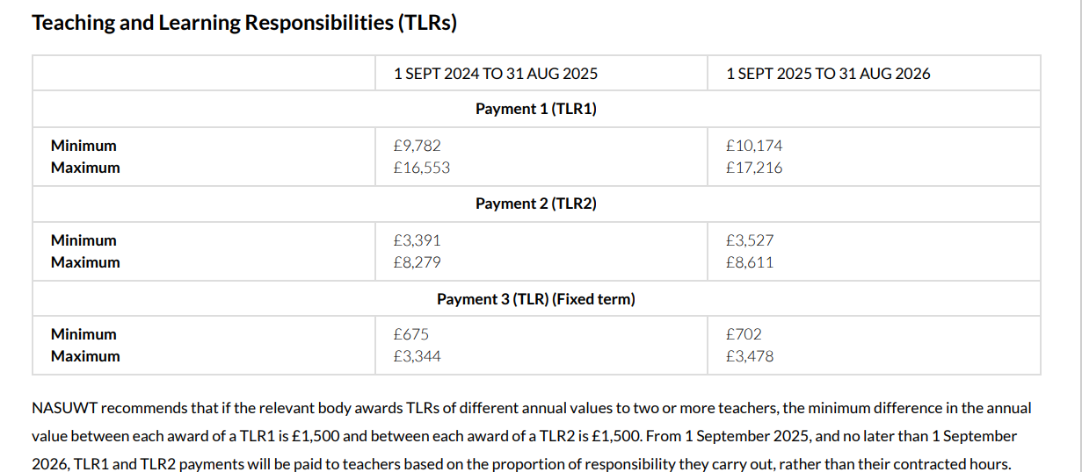
Monthly or Fixed Term |  |  |  |  |  | Retention incentive | 1,500 | 0.0%
Monthly or Fixed Term |  |  |  |  |  | Retention incentive | 2,000 | 0.0%
Monthly or Fixed Term |  |  |  |  |  | Retention incentive | 2,500 | 0.0%
Monthly or Fixed Term |  |  |  |  |  | IIA1 | 500
Monthly or Fixed Term |  |  |  |  |  | IIA2 | 1,000
Monthly or Fixed Term |  |  |  |  |  | IIA3 | 1,250
Monthly or Fixed Term |  |  |  |  |  | IIA4 | 1,500
Monthly or Fixed Term |  |  |  |  |  | IIA5 | 2,000
Monthly or Fixed Term |  |  |  |  |  | Head of House allowance | 1,791
Monthly or Fixed Term
Payment at end of project
Payment at end of project
Payment at end of project
Payment at end of project
Payment at end of project
Payment at end of project
Payment at end of project
Paid Monthly

